Risk Assessment
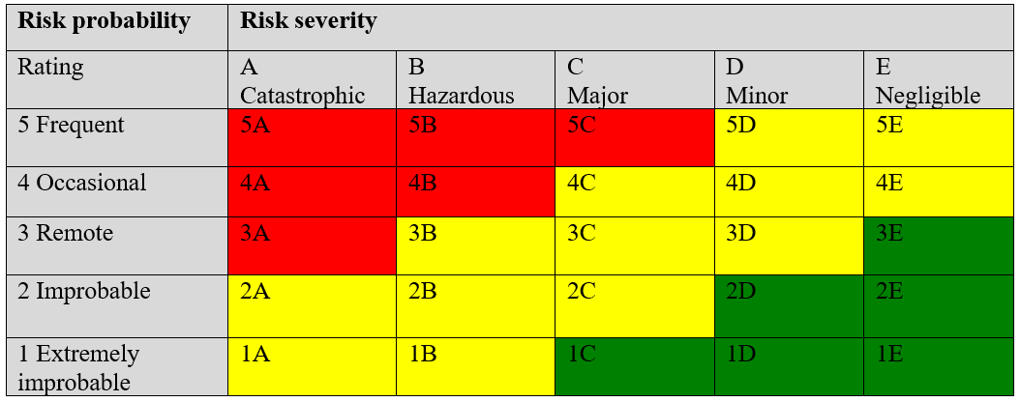
TITLE

Responsible Person: |  |  |  | Proposed Change Description

Department/Team:

Date of Initiation:

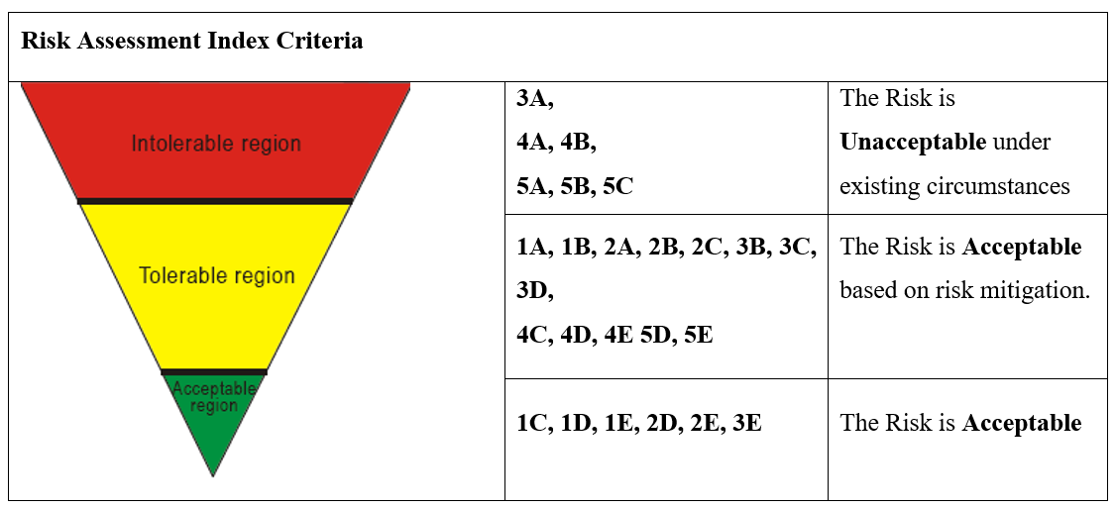
Revision Date:

Change Category:

Q-pulse Ref:

Affected Areas:

Hazard/Change Details |  |  |  |  | Current Defenses (Present) |  | Initial Risk Evaluation |  |  |  | Risk Controls Details
MOC No. | Description | Hazard Description | Threat | Consequences | Current Defenses | Type | P | S | RL | Tolerance | Control Strategy | Additional Control Measures | Considerations | P | S | RL | RR | Implementation Target Date | Owner

1 |  |  |  |  |  |  |  |  |  | #N/A |  |  |  |  |  |  | #N/A
2 |  |  |  |  |  |  |  |  |  | #N/A |  |  |  |  |  |  | #N/A
3 |  |  |  |  |  |  |  |  |  | #N/A |  |  |  |  |  |  | #N/A
4 |  |  |  |  |  |  |  |  |  | #N/A |  |  |  |  |  |  | #N/A
5 |  |  |  |  |  |  |  |  |  | #N/A |  |  |  |  |  |  | #N/A
6 |  |  |  |  |  |  |  |  |  | #N/A |  |  |  |  |  |  | #N/A
7 |  |  |  |  |  |  |  |  |  | #N/A |  |  |  |  |  |  | #N/A
8 |  |  |  |  |  |  |  |  |  | #N/A |  |  |  |  |  |  | #N/A
9 |  |  |  |  |  |  |  |  |  | #N/A |  |  |  |  |  |  | #N/A
10 |  |  |  |  |  |  |  |  |  | #N/A |  |  |  |  |  |  | #N/A
11 |  |  |  |  |  |  |  |  |  | #N/A |  |  |  |  |  |  | #N/A
12 |  |  |  |  |  |  |  |  |  | #N/A |  |  |  |  |  |  | #N/A
13 |  |  |  |  |  |  |  |  |  | #N/A |  |  |  |  |  |  | #N/A
14 |  |  |  |  |  |  |  |  |  | #N/A |  |  |  |  |  |  | #N/A
15 |  |  |  |  |  |  |  |  |  | #N/A |  |  |  |  |  |  | #N/A
16 |  |  |  |  |  |  |  |  |  | #N/A |  |  |  |  |  |  | #N/A
17 |  |  |  |  |  |  |  |  |  | #N/A |  |  |  |  |  |  | #N/A
18 |  |  |  |  |  |  |  |  |  | #N/A |  |  |  |  |  |  | #N/A
19 |  |  |  |  |  |  |  |  |  | #N/A |  |  |  |  |  |  | #N/A
20 |  |  |  |  |  |  |  |  |  | #N/A |  |  |  |  |  |  | #N/A
21 |  |  |  |  |  |  |  |  |  | #N/A |  |  |  |  |  |  | #N/A
22 |  |  |  |  |  |  |  |  |  | #N/A |  |  |  |  |  |  | #N/A
23 |  |  |  |  |  |  |  |  |  | #N/A |  |  |  |  |  |  | #N/A
 |  |  |  |  | Name |  |  | Title |  |  |  | Signature | Date
 |  |  | Requested By:
 |  |  | Checked By: Safety
 |  |  | Approved By: HOD
 |  |  | High Risk Approved By: CEO/ DCEO

